Assumption
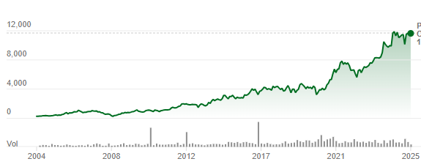
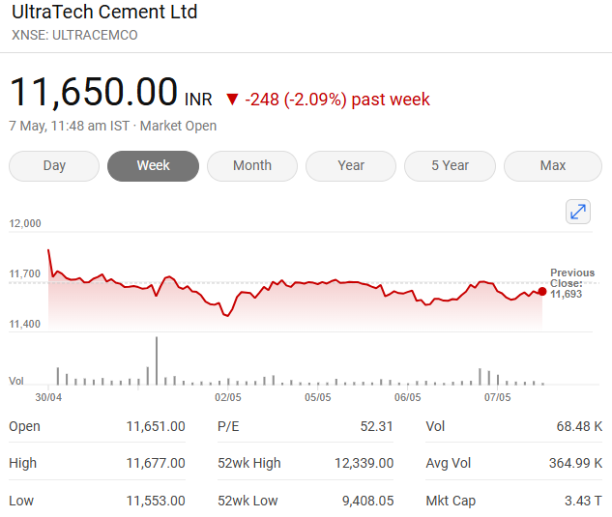
Assumption | Case No
Base Case | 2

Colour Code
Blue colour |  | Hardcoded Figures
Black colour |  | Calculated Figures
Yellow Cell Fill |  | Assumption

Assumptions
Increase in industry Growth Rate | % | 0.25%
Increase in Revenue Growth Rate | % | 0.25%
Increase in Market share Growth Rate | % | 0.25%
Tax Rate | % | 25.00%
Interest Rate | % | 15.00%
Perpetual Growth Rate | % | 5.00%
10 Year bond Yield | % | 6.46%
Market Cap | INR cr | 390044.64
share outstanding | No in cr | 31.44
Current Market Price | INR | 12406

Charts
Years | 2020A | 2021A | 2022A | 2023A | 2024A | 2025F | 2026F | 2027F | 2028F | 2029F | 2030F | 2031F | 2032F | 2033F | 2034F
Revenue | 42125 | 44726 | 52599 | 63240 | 70908 | 80848 | 92182 | 105105 | 119839 | 136639 | 155794 | 177634 | 202536 | 230928 | 263301
Revenue Y-O-Y

YEAR | 2020A | 2021A | 2022A | 2023A | 2024A | 2025F | 2026F | 2027F | 2028F | 2029F | 2030F | 2031F | 2032F | 2033F | 2034F
EBITDA | 9284 | 11568 | 11514 | 10620 | 12969 | 16958 | 19335 | 22046 | 25136 | 28660 | 32678 | 37259 | 42482 | 48437 | 55228
PAT | 5244 | 8116 | 8363 | 7412 | 9472 | 12225 | 14044 | 16160 | 18637 | 21523 | 24870 | 28740 | 33206 | 38350 | 44266
EBITDA V/S PAT

